Sheet1
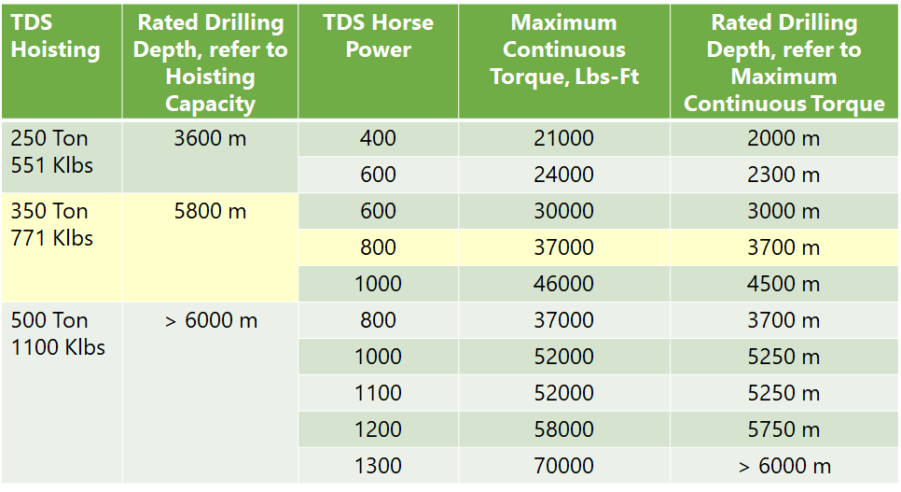
SAMPLE OF RIG TECHNICAL DATASHEET
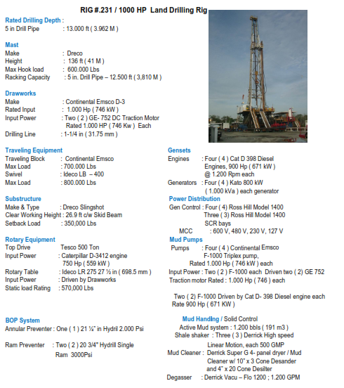

Pick Up Load + Overpulled Margin = HookLoad Capacity
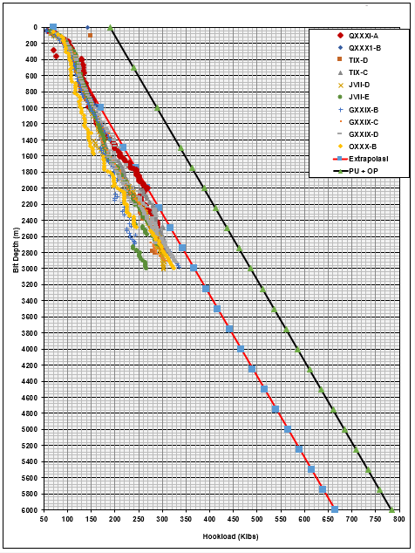

Actual ROB (Rotating On Bottom) Surface Torque: Use DG-2 Plot as Reference
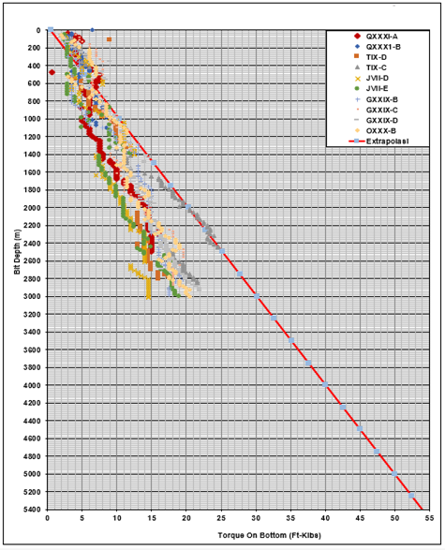

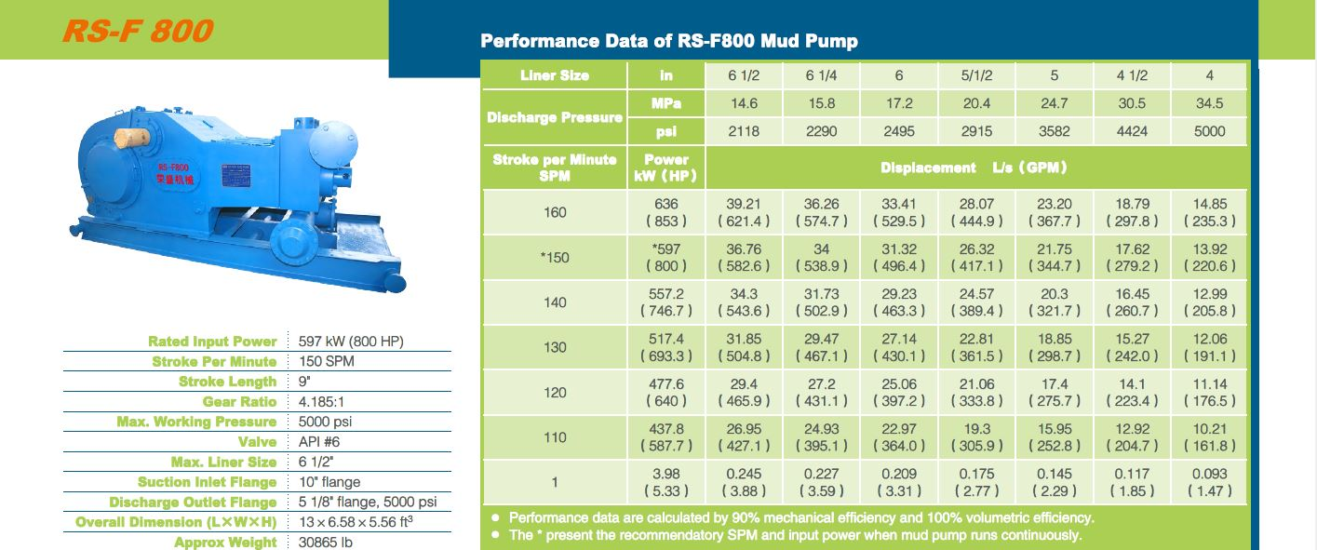

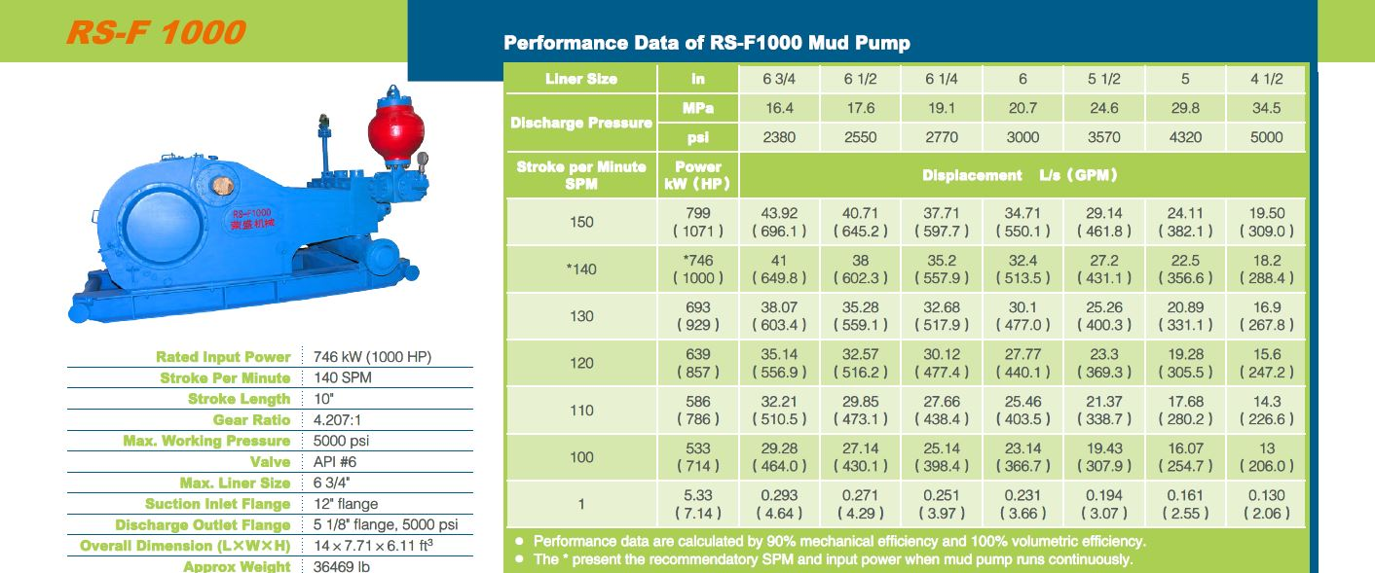

1300 HP Mud Pump
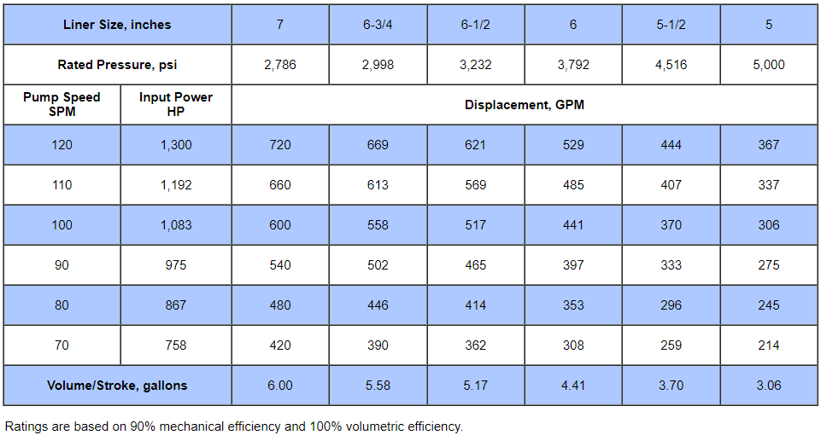

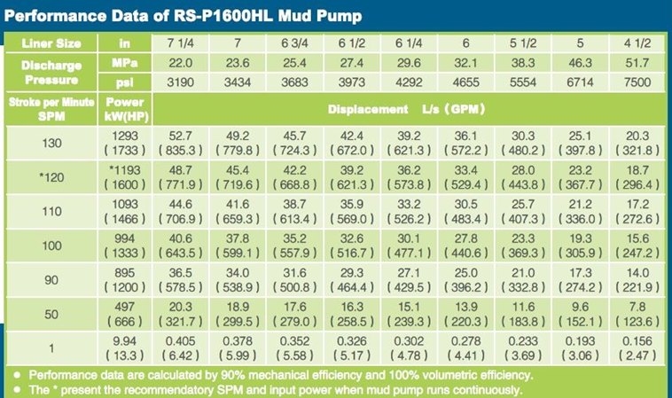

Land Rig Specification Summary
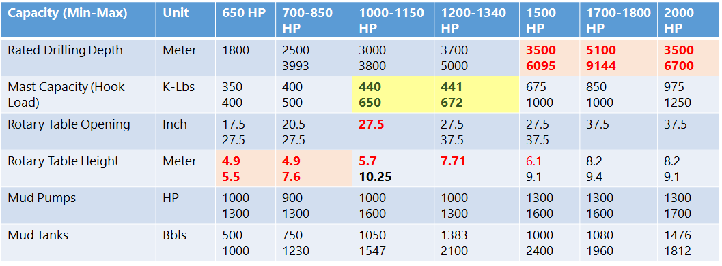

Top Drive System (TDS) Rated Summary

Sheet2
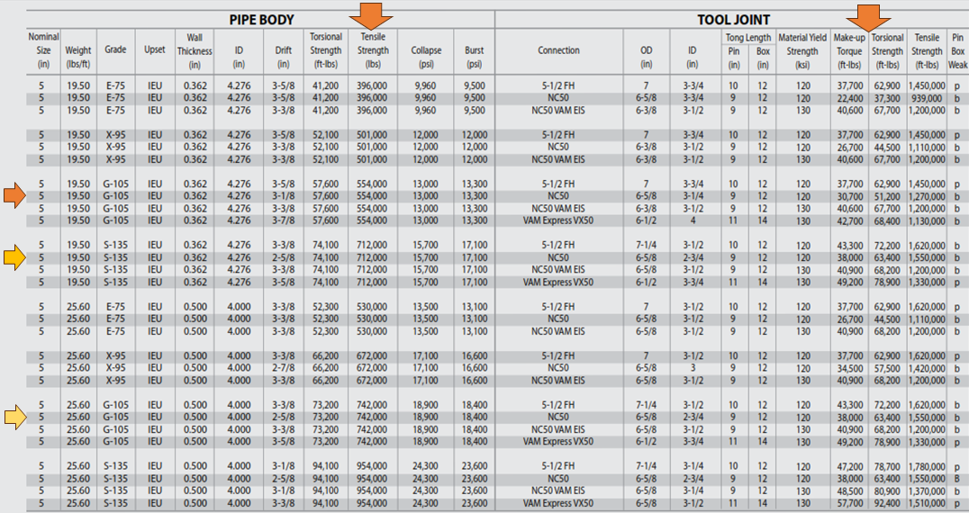
5" VAM Drill Pipe & Tool Joint Data

